888 Holdings
888 Holdings Plc
£888
 |  |  | (USD Millions)
 |  |  | 2021-12-31 | 2020-12-31 | 2019-12-31 | 2018-12-31 | 2017-12-31 | 2016-12-31
Management |  | Total Revenue | 980.1 | 849.7 | 560.3 | 529.9 | 541.8 | 520.8
Chairman | Lord Jon Mendelsohn | Revenue YoY | 15.3% | 51.7% | 5.7% | -2.2% | 4.0% | -
CEO | Mr. Itai Pazner
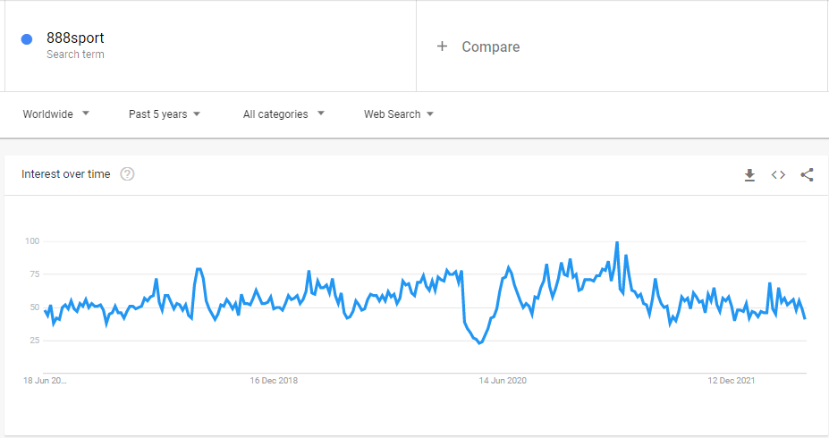
CFO | Mr. Yariv Dafna
COO | Ms. Naama Kushnir

Notes
Strategic investment to launch 888 brand in Africa
In March 2022 888 has launched a ploy to break into Africa
Joined with 5 industry veterans to launch 888Africa

888 Holdings Launch 'Made to Play' global brand
For the first time 888 launch 'master brand' to unite 888casino,
888sport & 888poker under 'Made to Play' brand

Granted iGaming license in Canada
Secured a license in newly regulated market in Canada,
set to launch April 4 w/ casino, sport & poker. 888 now holds
licenses in 19 local regulated markets, including 7 US states

2022 Fine by UK Gambling Commission
£9.4m fine after investigation revealed social responsibility
and money laundering failings
888 also received official warning & will undergo auditing

William Hill Takeover
Processing acquisition of William Hill Intl. (non-US)
Includes all technology, real estate & talent at William Hill
(Excludes US William Hill which is owned by Caesars)
Expecting WH takeover to be complete in Q2 2022

2021 revenue warning
Following 888 2020FY results company warned it expects
tighter regulation to knock-off £50-70m in 2021 revenues

50% revenue growth in 2020
Company cites increased Gambling activity during
2020 COVID-19 lockdowns

Loss in revenue 2018
Fined record £7.8m by Gambling Commission in August 2017

Company History
Founded in 1997, first listed on LSE in 2005. Based in Gibraltar

